Metrics and Plots
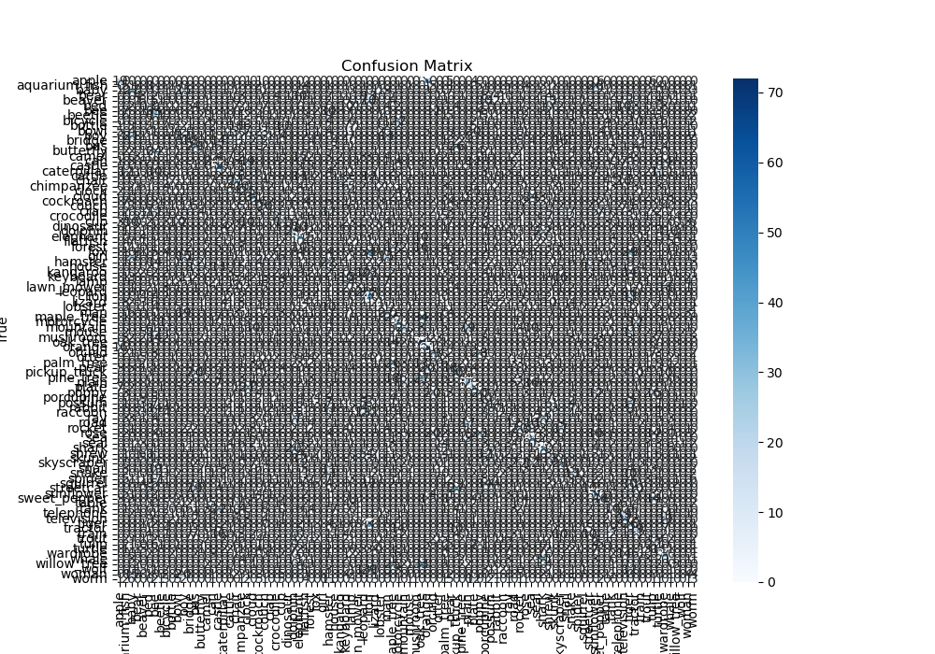
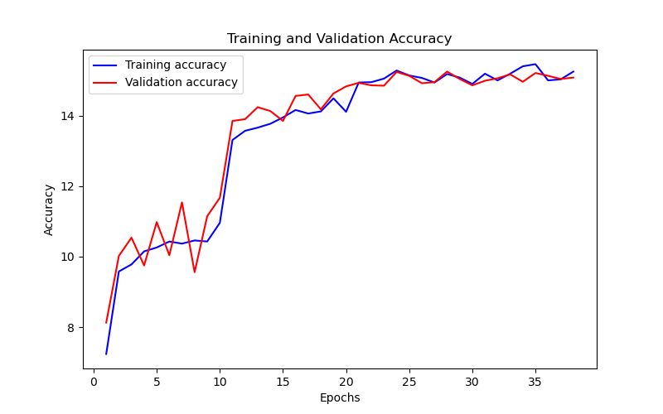
Epoch | Train Accuracy | Train Loss | Validation Accuracy | Validation Loss
1 | 7.24 | 3.573 | 8.13 | 3.623
2 | 9.58 | 3.474 | 10.02 | 3.423
3 | 9.78 | 3.435 | 10.54 | 3.372
4 | 10.15 | 3.429 | 9.75 | 3.484
5 | 10.26 | 3.421 | 10.98 | 3.333
6 | 10.43 | 3.38 | 10.04 | 3.377
7 | 10.37 | 3.413 | 11.54 | 3.386
8 | 10.46 | 3.375 | 9.56 | 3.448
9 | 10.43 | 3.391 | 11.15 | 3.347
10 | 10.96 | 3.362 | 11.67 | 3.303
11 | 13.31 | 3.195 | 13.85 | 3.211
12 | 13.57 | 3.214 | 13.9 | 3.194
13 | 13.66 | 3.174 | 14.24 | 3.196
14 | 13.77 | 3.18 | 14.13 | 3.18
15 | 13.95 | 3.186 | 13.85 | 3.204
16 | 14.16 | 3.178 | 14.56 | 3.181
17 | 14.06 | 3.167 | 14.6 | 3.172
18 | 14.12 | 3.163 | 14.18 | 3.173
19 | 14.49 | 3.188 | 14.63 | 3.171
20 | 14.11 | 3.163 | 14.83 | 3.169
21 | 14.94 | 3.144 | 14.93 | 3.157
22 | 14.95 | 3.139 | 14.86 | 3.155
23 | 15.05 | 3.134 | 14.85 | 3.155
24 | 15.28 | 3.142 | 15.24 | 3.16
25 | 15.14 | 3.157 | 15.13 | 3.157
26 | 15.07 | 3.135 | 14.92 | 3.15
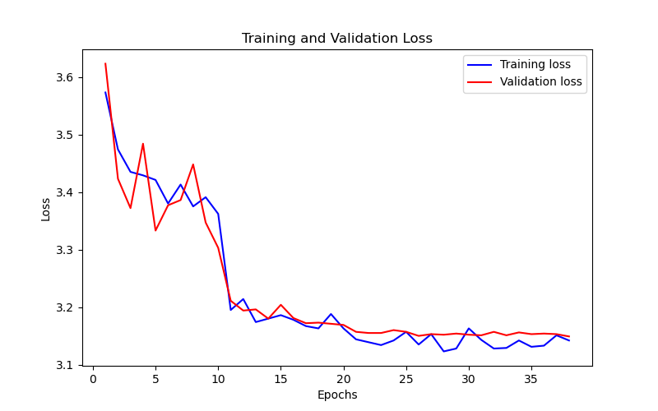
27 | 14.94 | 3.153 | 14.95 | 3.153
28 | 15.18 | 3.123 | 15.25 | 3.152
29 | 15.08 | 3.128 | 15.04 | 3.154
30 | 14.9 | 3.163 | 14.86 | 3.152
31 | 15.19 | 3.143 | 14.99 | 3.151
32 | 15 | 3.128 | 15.06 | 3.157
33 | 15.19 | 3.129 | 15.17 | 3.151
34 | 15.4 | 3.142 | 14.96 | 3.156
35 | 15.46 | 3.131 | 15.21 | 3.153
36 | 15 | 3.133 | 15.13 | 3.154
37 | 15.03 | 3.151 | 15.04 | 3.153
38 | 15.25 | 3.142 | 15.08 | 3.149

